Sheet1
YouTube to calculate Pearson's coefficient r - https://www.youtube.com/watch?v=2SCg8Kuh0tE
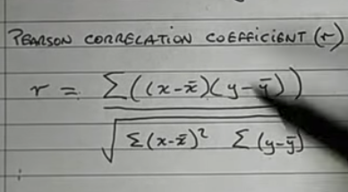

 | x | y | (x- avg(x)) | y - avg(y) | (x-avg(x))*(y-avg(y)) | (x-avg(x))^2 | (y-avg(y)^2
 | 3 | 4 | 0.75 | 1.75 | 1.3125 | 0.5625 | 3.0625
 | 2 | 1 | -0.25 | -1.25 | 0.3125 | 0.0625 | 1.5625
 | 4 | 3 | 1.75 | 0.75 | 1.3125 | 3.0625 | 0.5625
 | 0 | 1 | -2.25 | -1.25 | 2.8125 | 5.0625 | 1.5625

 | 2.25 | 2.25 |  |  | 5.75 | 8.75 | 6.75

 |  |  |  |  |  | r | 0.74819005593

standard deviation |  |  |  |  |  | 2.9166666667 | 2.25

 |  |  |  |  |  | slope | 0.577175186
y-intercept = mean y - slope * (mean x) |  |  |  |  |  | y-intercept | 0.9513558315

Simple linear regression by hand https://www.youtube.com/watch?v=GhrxgbQnEEU

 | x | y | forecast y with (0,1) | difference | difference squared
 | 3 | 4 | 3 | -1 | 1
 | 2 | 1 | 2 | 1 | 1
 | 4 | 3 | 4 | 1 | 1
 | 0 | 1 | 0 | -1 | 1

 |  |  |  | sum squared differences | 4
 |  |  |  | divide by 1/2m | 0.5

